Stack
MT8195 PCB疊構主要有兩大要求，
For LPDDR4X-4266 Mbps, it is recommended that the thickness of Prepreg1-2 and Prepreg2-3 are less than 50um
PCB總厚度1mm or less
故如下8L HDI2的疊構，滿足MT8195要求，

TINY PCB 堆疊
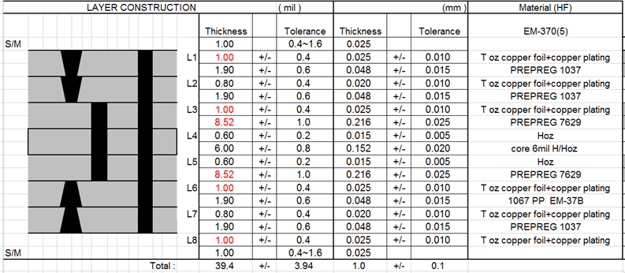

至於10L HDI的話，可以增加層數，不過厚度請維持在max 1.0mm，否則PDN很有可能fail，
增加層數且維持1.0mm厚度是可以做得到的，

至於10L HDI的話，可以增加層數，不過厚度請維持在max 1.0mm，否則PDN很有可能fail，
增加層數且維持1.0mm厚度是可以做得到的，

DC-DC
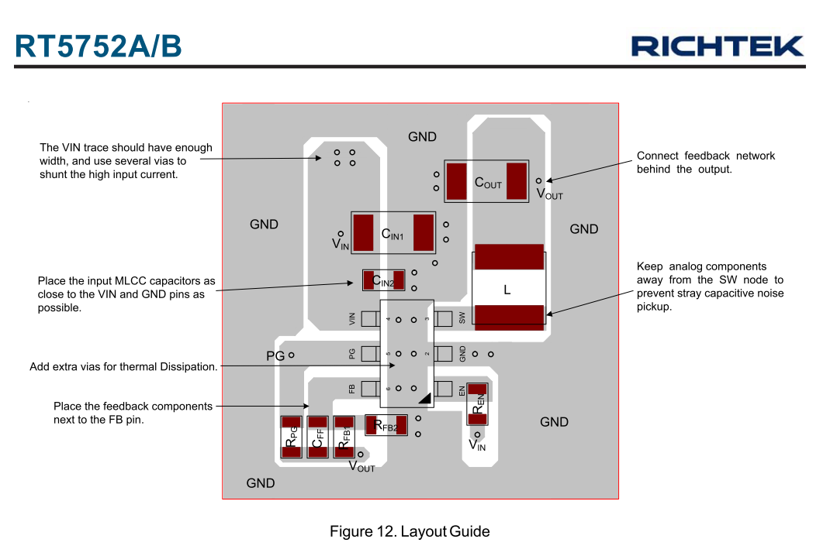

Reference
